Map
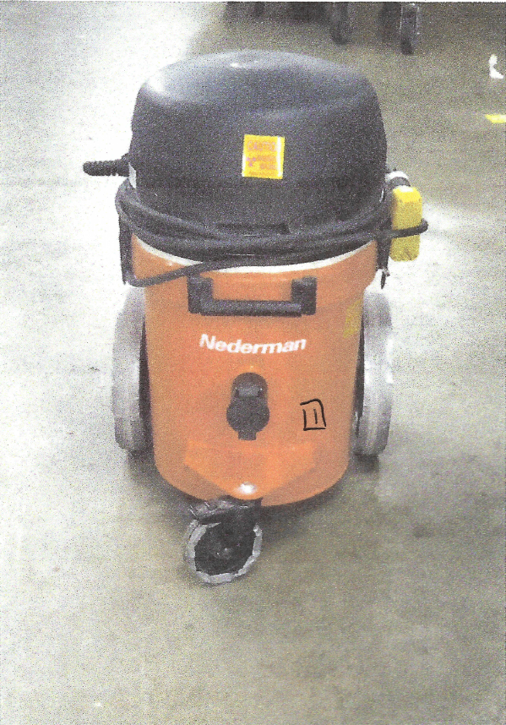

Survey No | INIS-010620-902
Date | 2020-01-04
Survey Tech | M. Renderos/D. Beckstrom
Count Room Tech | N/A
Date Counted | N/A
Survey Type | Routine
Level of Posting | RCA
Comments

